Script
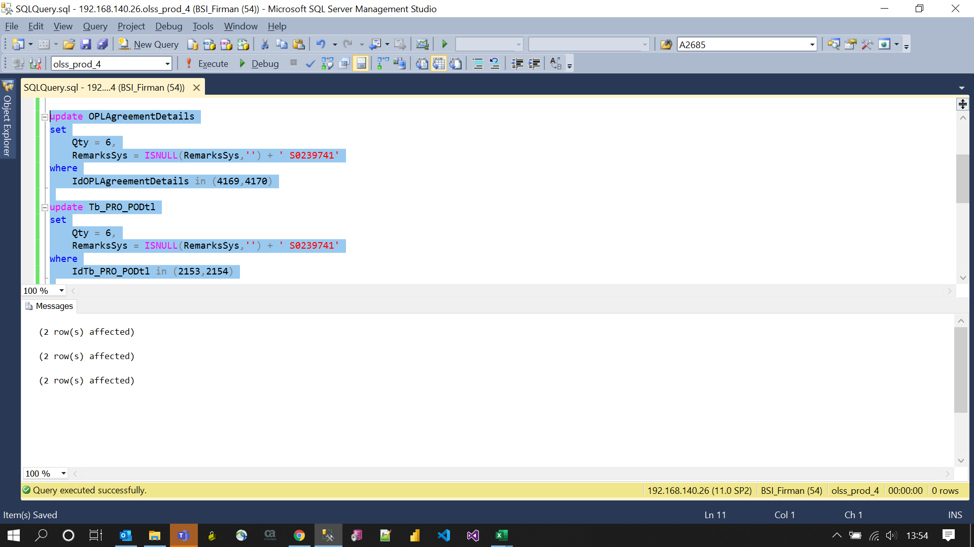
update OPLAgreementDetails
set
 | Qty = 6,
 | RemarksSys = ISNULL(RemarksSys,'') + ' S0239741'
where
 | IdOPLAgreementDetails in (4169,4170)

update Tb_PRO_PODtl
set
 | Qty = 6,
 | RemarksSys = ISNULL(RemarksSys,'') + ' S0239741'
where
 | IdTb_PRO_PODtl in (2153,2154)

update Tb_MGT_UnitPrep
set
 | Qty = 6,
 | RemarksSys = ISNULL(RemarksSys,'') + ' S0239741'
where
 | IdTb_MGT_UnitPrep in (1909,1910)

Screenshot
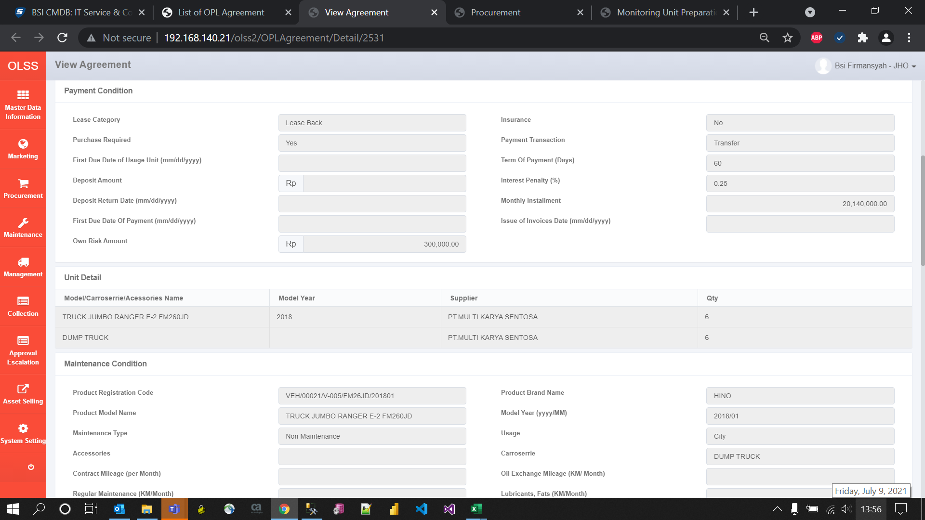
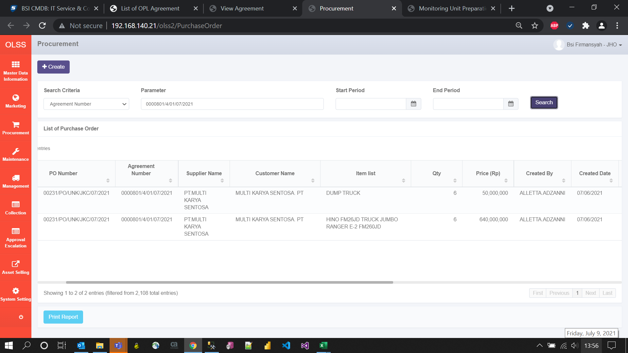
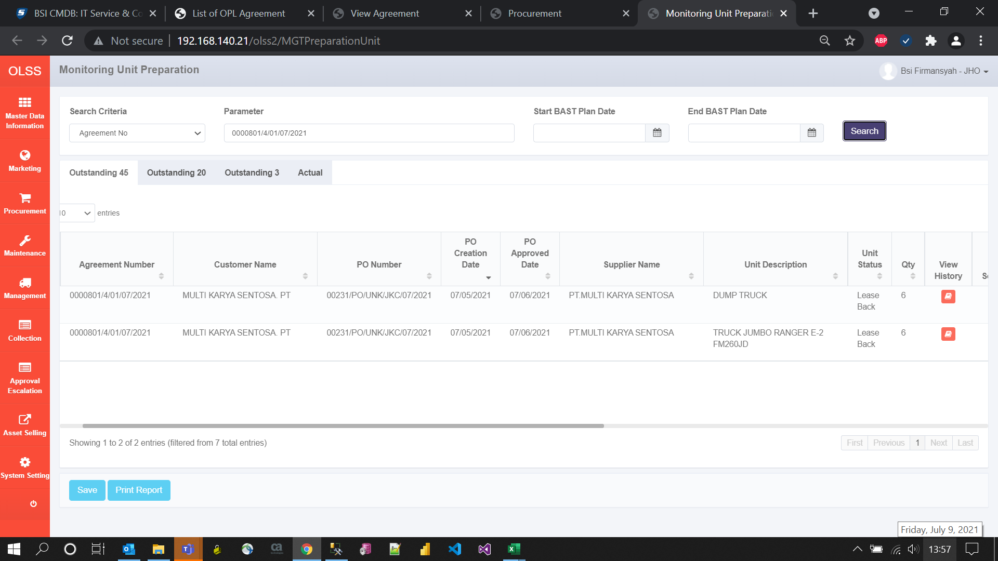
BEFORE
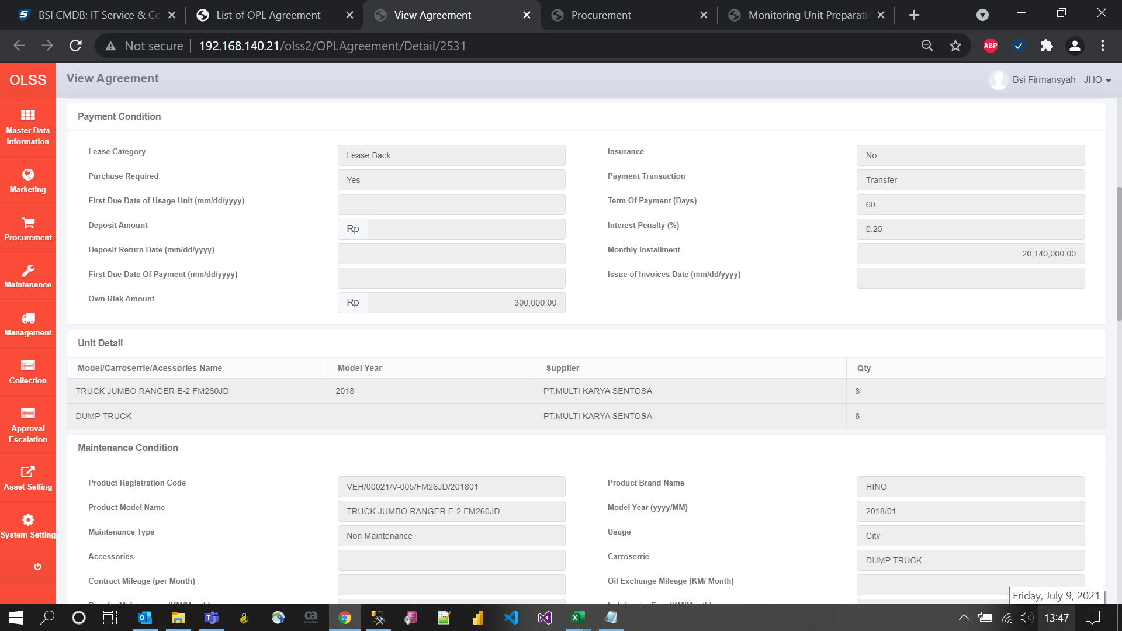
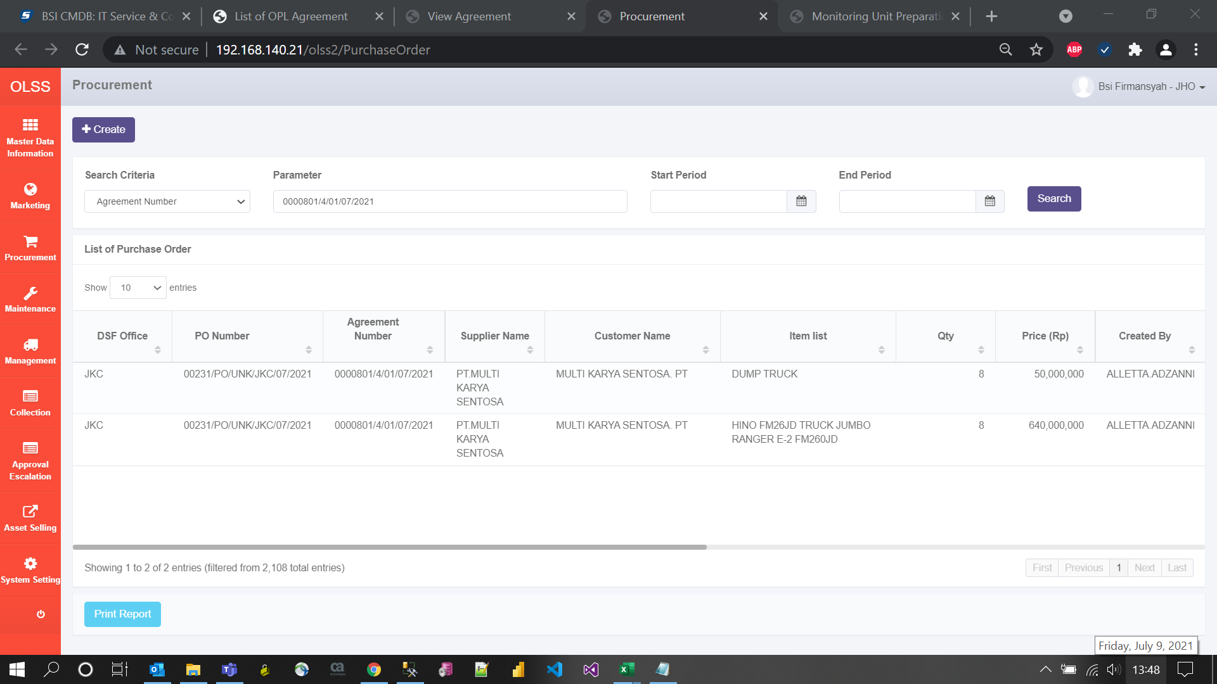
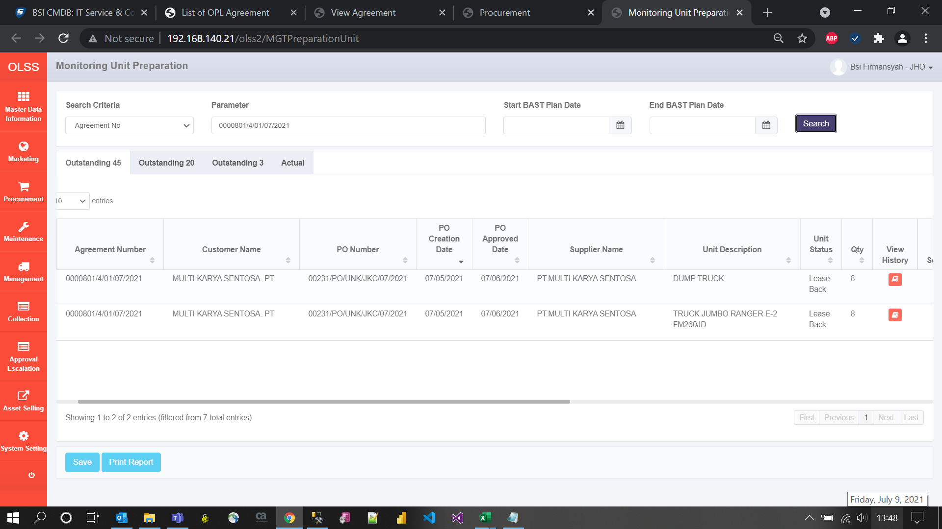

AFTER

